Trademark
A
See Rule 16 of the Field Manual of the AAR Interchange Rules.(CSCTCC working on updates,additional Trademarks to be added)
Qualifier | Trademark | Manufacturer
1 |  | American Steel Foundries (ASF) Indiana Harbor
2 |  | American Steel Foundries (ASF) Alliance
3 |  | Buckeye Steel Castings (Buckeye)
4 |  | Canadian Steel Foundries (CSF)
5 |  | Dominion Foundries & Steel, Ltd. (DOFASCO)
6 |  | Dresser Transportation Equipment (Gould)
7 |  | Fundiciones de Hierro y Acero, S.A. (FHASA)
8 |  | McConway & Torley Corporation (M&T) Kutztown, PA
9 |  | McConway & Torley Corporation (M&T) Pittsburgh, PA
10 |  | National Castings Div., Sharon (National)
11 |  | National Castings Div., Melrose Park (National)
12 |  | National Castings Div., Cicero (National)
13 |  | Omaha Steel Castings Co. (Omaha)
14 |  | Siderurgica Nacional, S.A. (Sidena)
15 |  | Fundidora DeAceros Tepeyac, S.A. (FATSA)
16 |  | Columbus Steel Castings
17 |  | American Steel Foundries (ASF) Granite City
18 |  | National Castings Div., Mexico Sahagun, Hidalgo, Mexico
A
19 |  | Alliance Castings Company
SM
20 |  | ASF-K de Mexico
21 |  | MT CSF M Bedloe Industries BI , Sivyer Steel, Bettendorf, IA, A
22 |  | Other
23 | NY | Workhorse Rail (WR)—Baotou First Machinery Group Foundry Co., Baotou, China
24 | YW | Workhorse Rail (WR), Shengyu Machinery Manufacturing Co., Baotou, China
25 |  | Strato —Tongyao Castings and Forgings Co., Pingqiao, China

Broken Cracked CouplerLocations
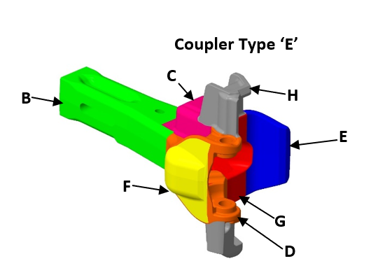
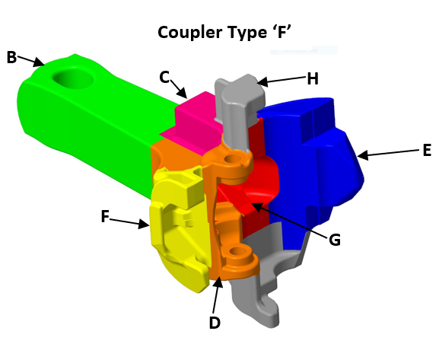
F-Type Coupler
Color(UI only) | Location (WS)
Other | A
Green | B
Pink | C
E-Type Coupler
Orange | D
Blue | E
Yellow | F
Red | G
Grey | H

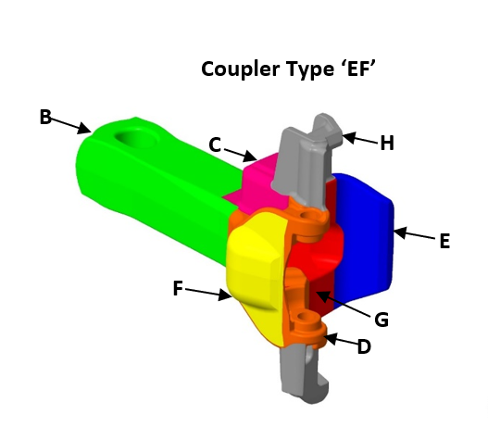

EF-Type Coupler

E-Type Coupler
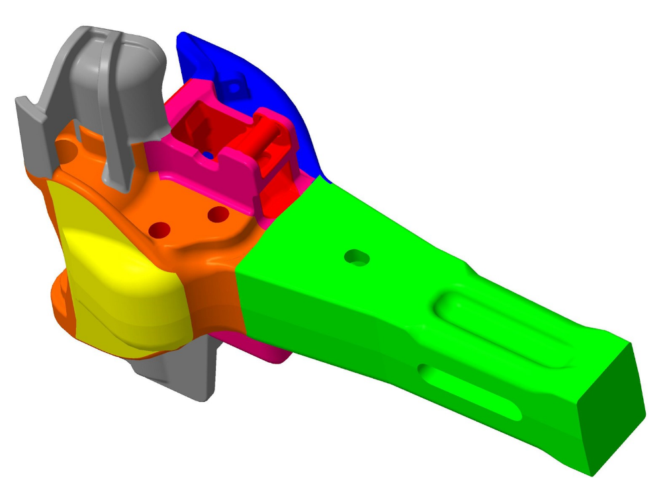
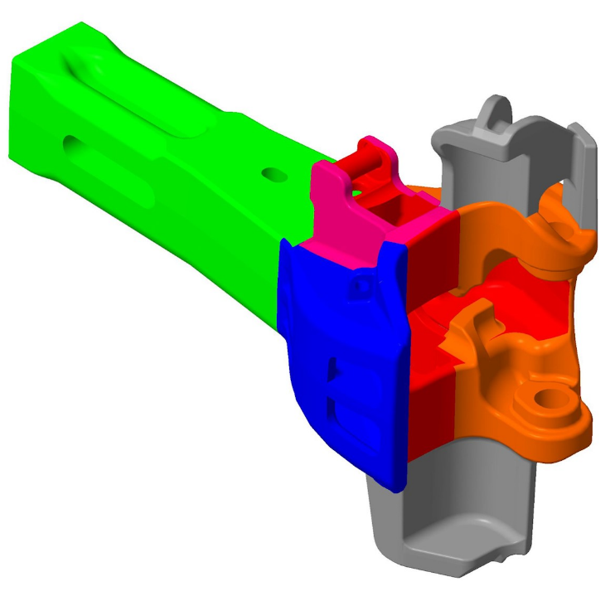
E type coupler layout
 | e coupler iso-1 | e coupler iso-2
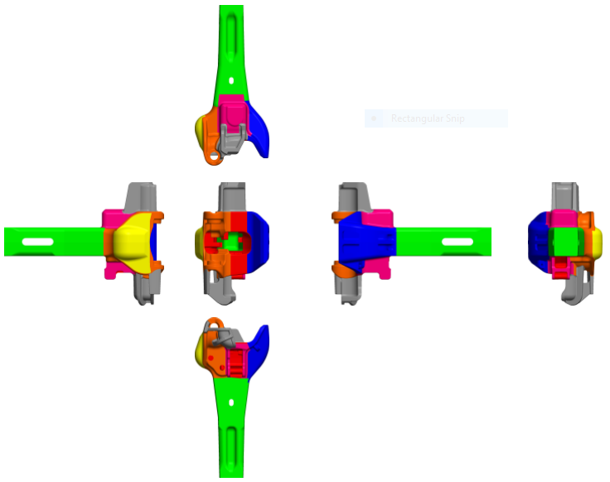
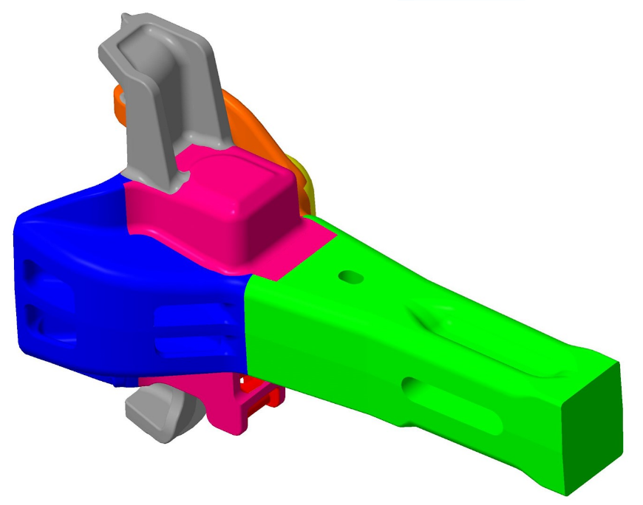
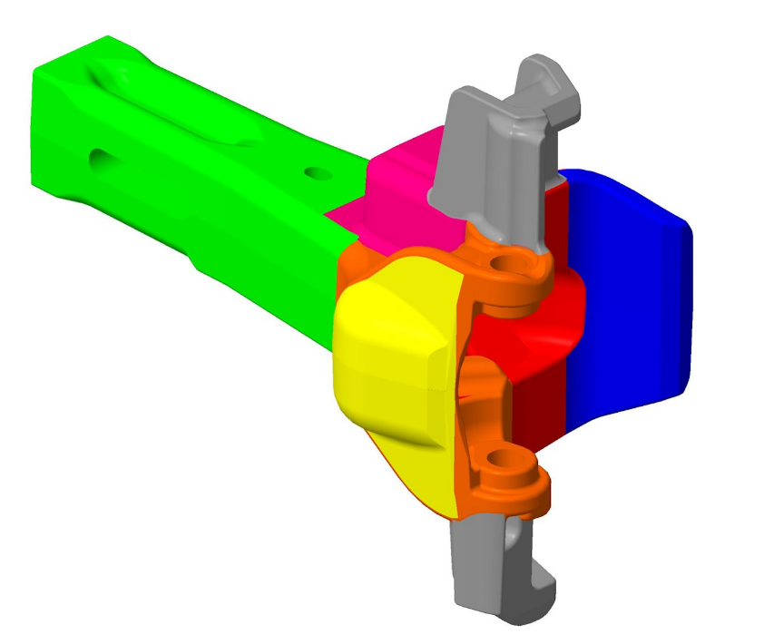

e coupler iso-3
 | e coupler iso-4

F-Type Coupler
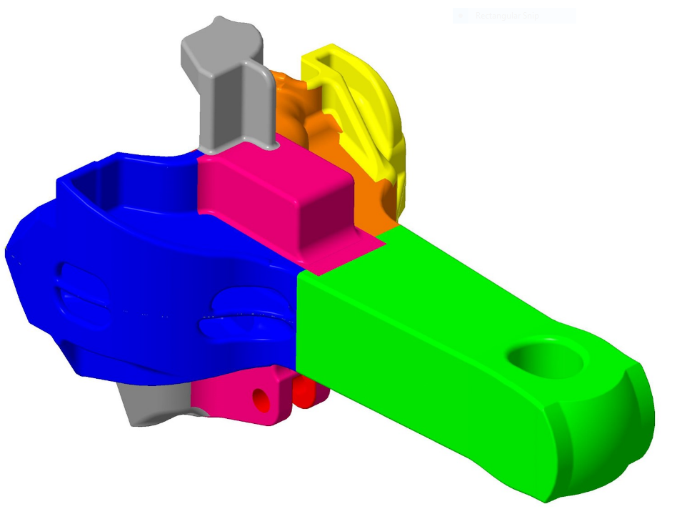
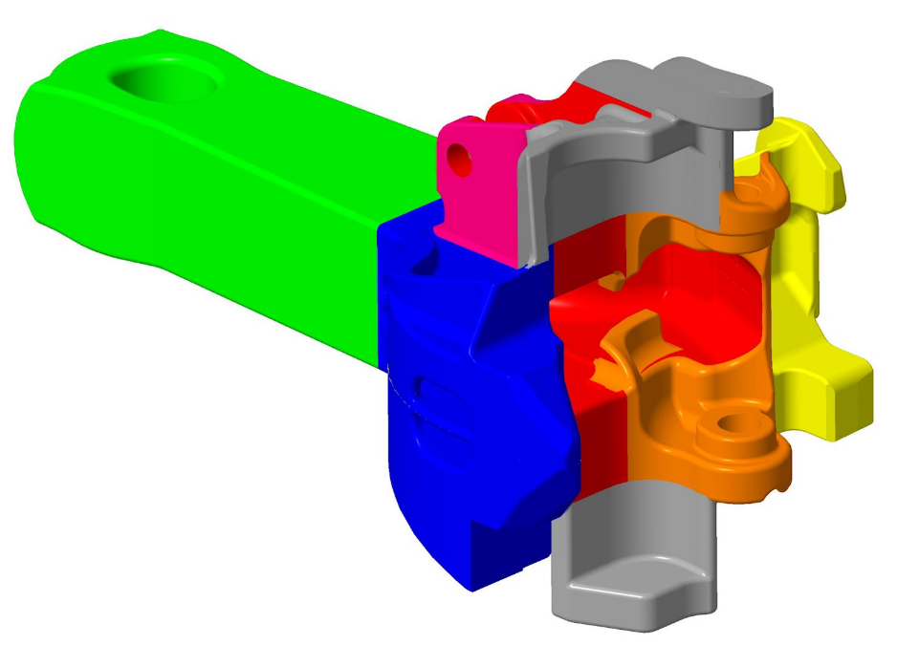
F-layout
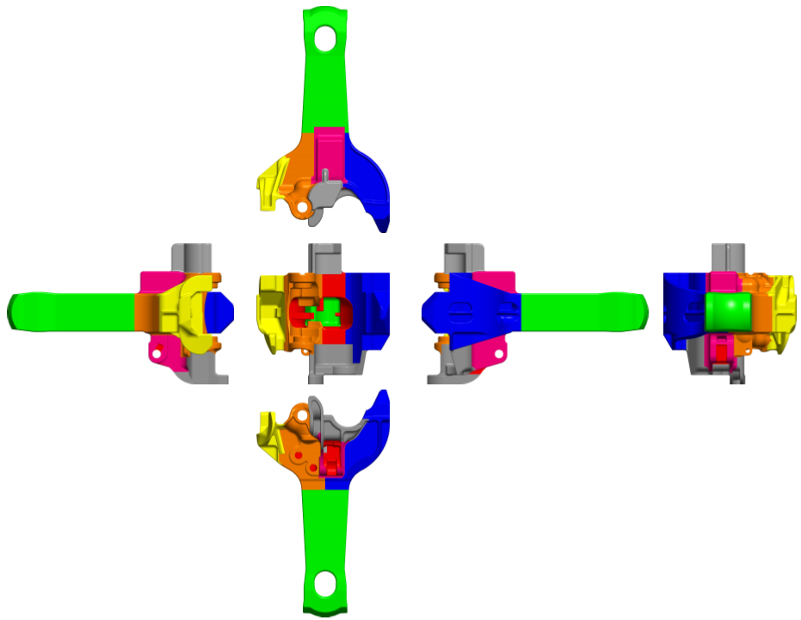

 | f coupler iso-1
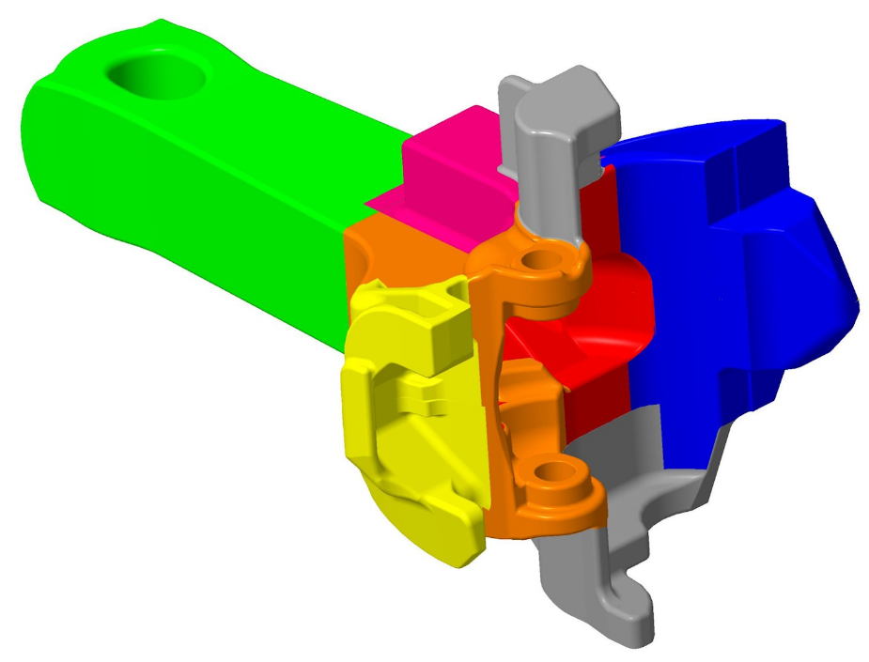

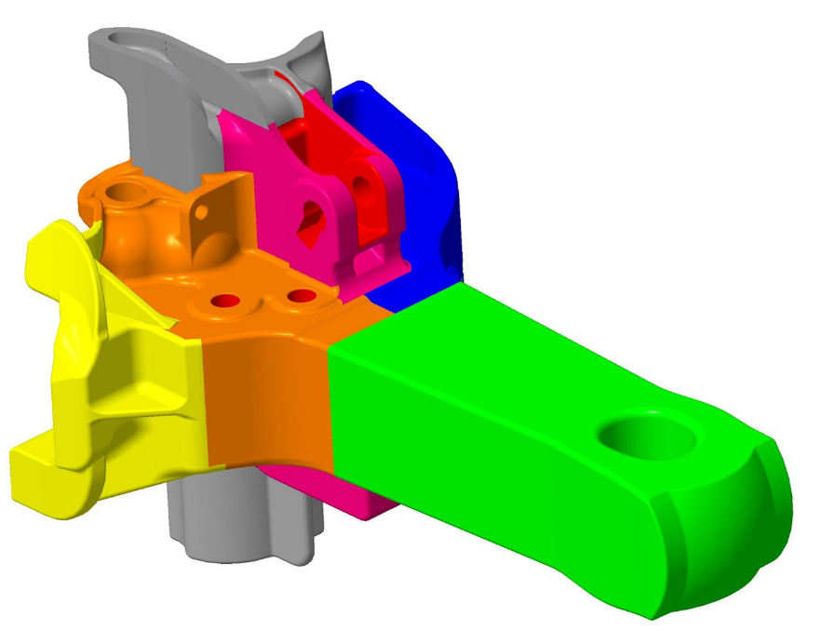
f coupler iso-2 | f coupler iso-3
 |  | f coupler iso-4

EF-Type Coupler
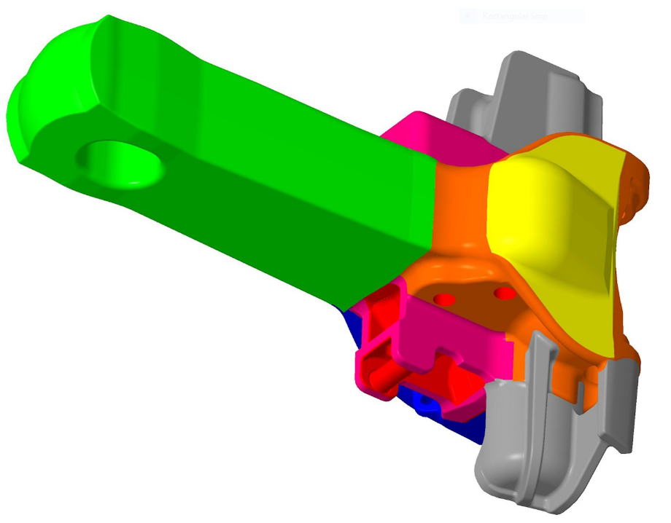
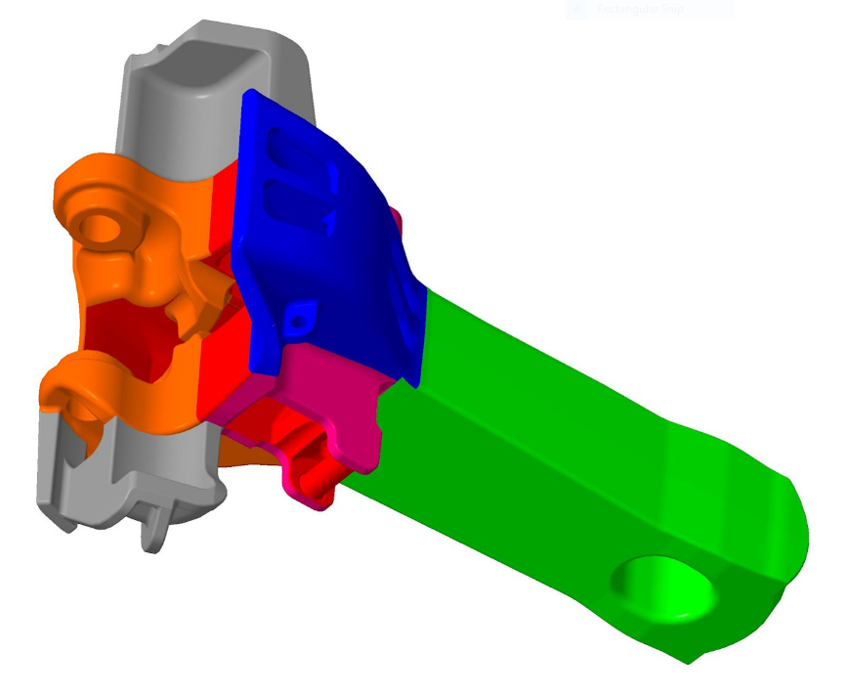
EF coupler layout

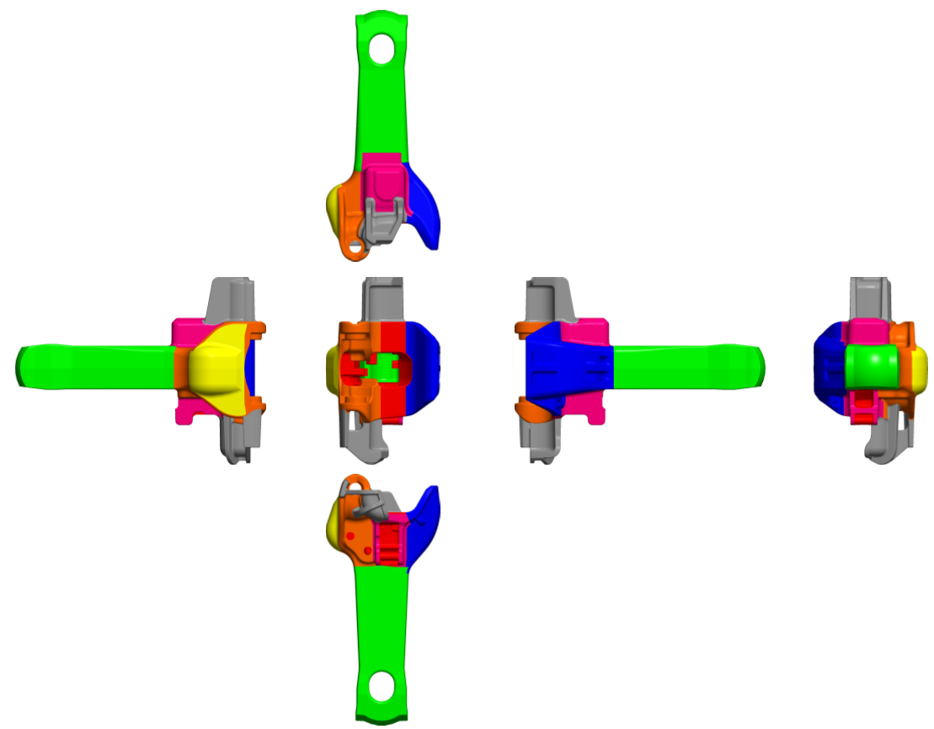
 | ef coupler iso -1

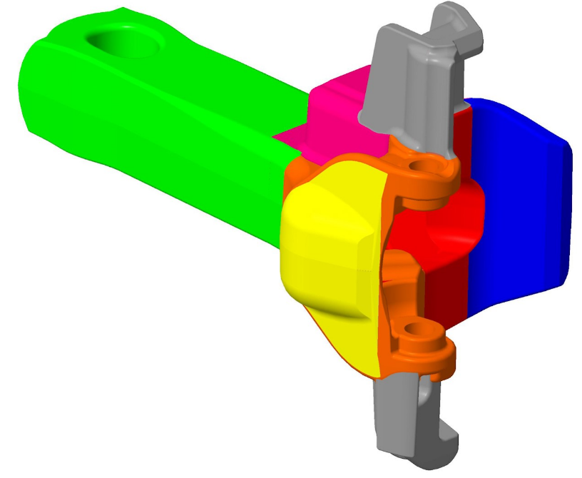

ef coupler iso -2

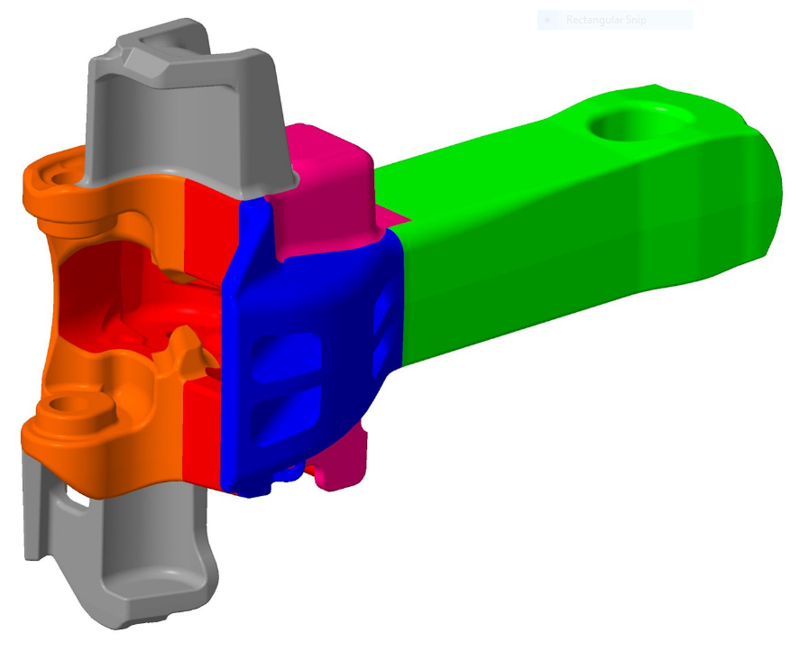
 | ef coupler iso -3 | ef coupler iso -4

